Notes
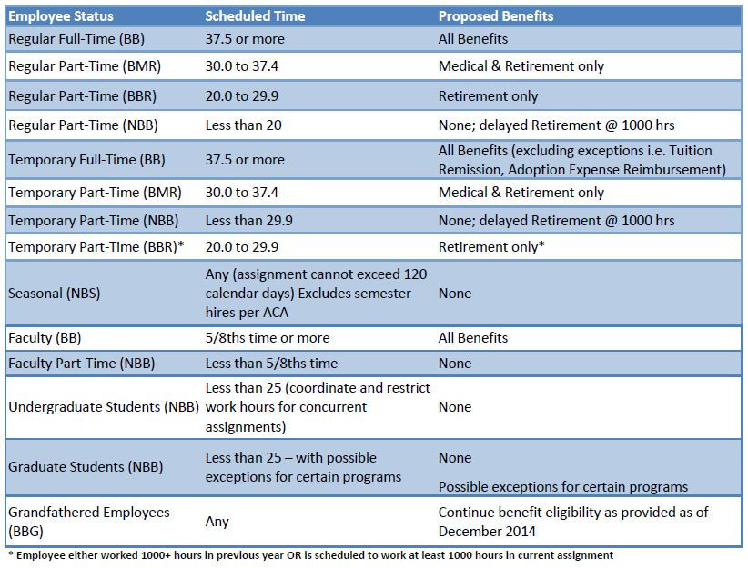
Fringe Benefits - Federal Rates |  |  |  |  | Non-Exempt Minimum Wage |  | Exempt Minumum Salary
 | BB | NBB | SBB | Effective Date | San Diego | CA | Federal Monthly | Federal Annual | CA Monthly | CA Annual
Health and Dental Plans | 9.70% | 0.20% | 0.00% | 2016-07-01 | $10.50 | $10.00 | $3,956.34 | $47,476 | $3,466.67 | $41,600
Workers Comp and Other Insurance | 0.30% | 0.30% | 0.00% | 2017-01-01 | $11.50 | $10.50 | $3,956.34 | $47,476 | $3,640.00 | $43,680
Life Insurance & LTD | 0.50% | 0.00% | 0.00% | 2018-01-01 | $11.50 | $11.00 | $3,956.34 | $47,476 | $3,813.34 | $45,760
Retirement Plans | 11.00% | 0.90% | 0.00% | 2019-01-01 | further | $12.00 | $3,956.34 | $47,476 | $4,160.00 | $49,920
Employer Taxes (FICA/Medicare/UI) | 6.70% | 5.30% | 0.00% | 2020-01-01 | increases | $13.00 | automatic | increase | $4,506.67 | $54,080
Other Burden Benefits | 1.10% | 0.00% | 0.00% | 2021-01-01 | based on | $14.00 | every three | years | $4,853.34 | $58,240
 | 29.30% | 6.70% | 0.00% | 2022-01-01 | inflation | $15.00 |  |  | $5,200.00 | $62,400

 |  |  |  | NIH Postdoctoral Stipend Levels (NOT-OD-17-003)
Fringe Benefits - USD Rates | BB | NBB | SBB | Years of Experience | Stipend for FY 2017 | Monthly Stipend
Retirement | 12.00% | 0.00% | 0.00% | 0 | $47,484 | $3,957
Tuition Remission | 3.10% | 0.00% | 0.00% | 1 | $47,844 | $3,987
Medical Benefits | 10.25% | 0.00% | 0.00% | 2 | $48,216 | $4,018
FICA/Medicare | 7.20% | 7.65% | 0.00% | 3 | $50,316 | $4,193
Workman's Compensation | 1.40% | 1.56% | 1.39% | 4 | $52,140 | $4,345
Unemployment | 0.40% | 0.47% | 0.00% | 5 | $54,228 | $4,519
Life Ins/LTDI/Misc | 1.30% | 0.00% | 0.00% | 6 | $56,400 | $4,700
 | 35.65% | 9.68% | 1.39% | 7 or More | $58,560 | $4,880

