Notes
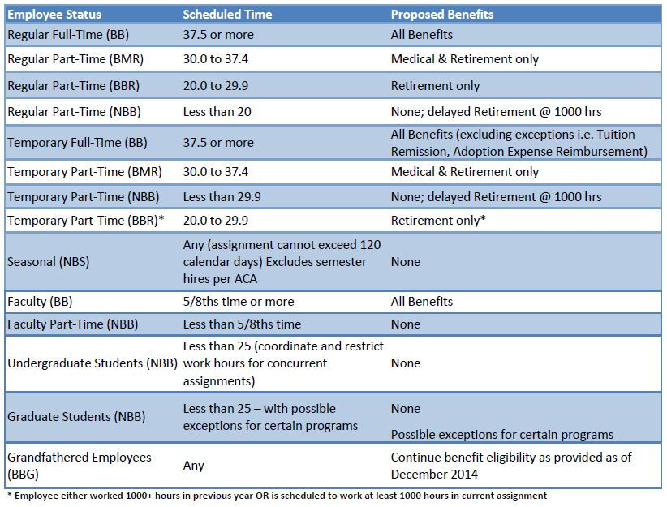
Fringe Benefits - Federal Rates
GA did not supply OSP with the FY21 breakdown | BB | NBB | SBB
Health and Dental Plans | 9.70% | 0.20% | 0.00%
Workers Comp and Other Insurance | 0.30% | 0.30% | 0.00%
Life Insurance & LTD | 0.50% | 0.00% | 0.00%
Retirement Plans | 11.00% | 0.90% | 0.00%
Employer Taxes (FICA/Medicare/UI) | 6.70% | 5.30% | 0.00%
Other Burden Benefits | 1.10% | 0.00% | 0.00%
 | 29.30% | 6.70% | 0.00%
still awaiting FY22 numbers for Federal rates | 21.70% | 5.60% | 0.00%

Fringe Benefits - USD Rates | BB | NBB | SBB
Retirement | 12.00% | 0.00% | 0.00%
Tuition Remission | 3.10% | 0.00% | 0.00%
Medical Benefits | 10.25% | 0.00% | 0.00%
FICA/Medicare | 7.20% | 7.65% | 0.00%
Workman's Compensation | 1.40% | 1.40% | 1.40%
Unemployment | 0.40% | 0.45% | 0.00%
Life Ins/LTDI/Misc | 1.15% | 0.00% | 0.00%
Updated rates for FY22 | 35.50% | 9.50% | 1.40%

