Notes
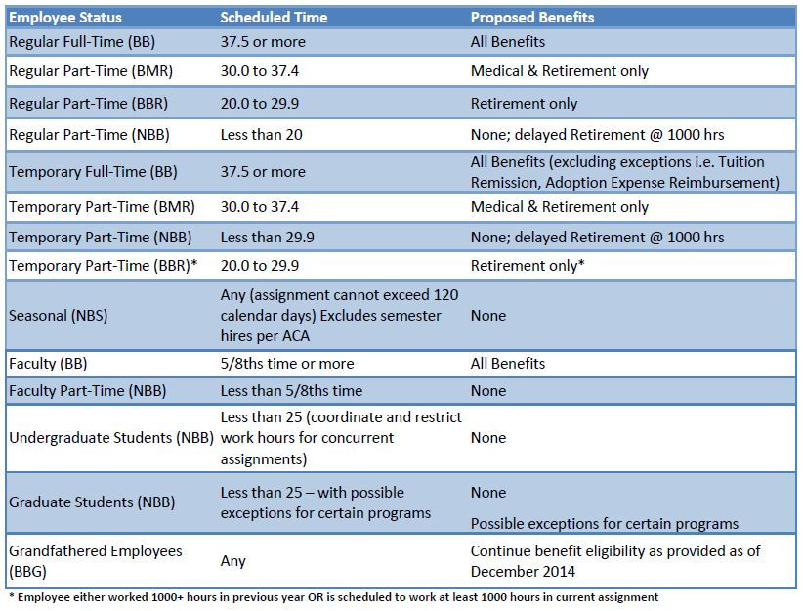
Fringe Benefits - USD Rates | BB | NBB | SBB
Retirement | 12.00% | 0.00% | 0.00%
Tuition Remission | 3.10% | 0.00% | 0.00%
Medical Benefits | 10.25% | 0.00% | 0.00%
FICA/Medicare | 7.20% | 7.65% | 0.00%
Workman's Compensation | 1.40% | 1.40% | 1.40%
Unemployment | 0.40% | 0.45% | 0.00%
Life Ins/LTDI/Misc | 1.15% | 0.00% | 0.00%
Updated rates for FY22 | 35.50% | 9.50% | 1.40%

